Sheet2
Logo |  |  |  |  |  | Home | About Us | Contact Us

 |  |  |  |  |  | Search |  | ខ្មែរ /​English

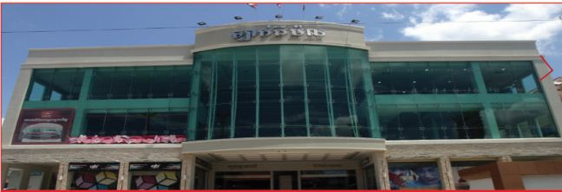
Home | Store Directory | Event & Promotion |  | Common Area Information |  | Information on Parking |  | Career

Fackbook |  | Event & Promotion

 |  | All | Fashion | Goods | Food & Beverage |  | Service

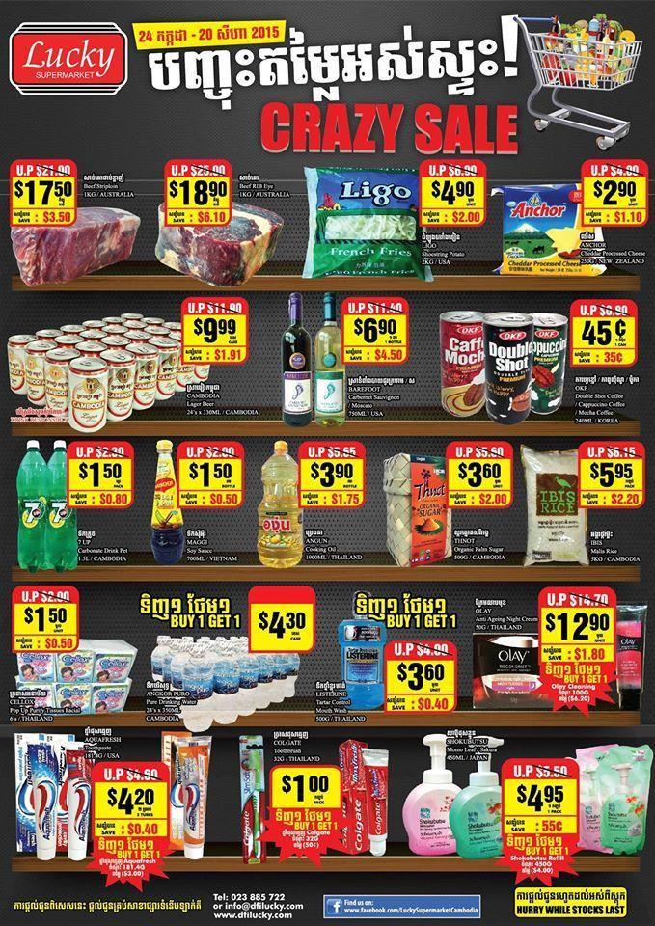
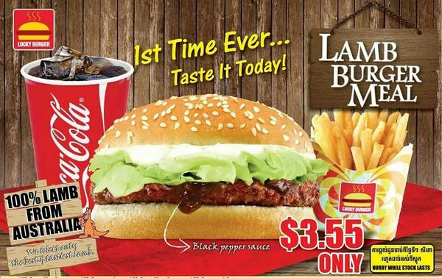
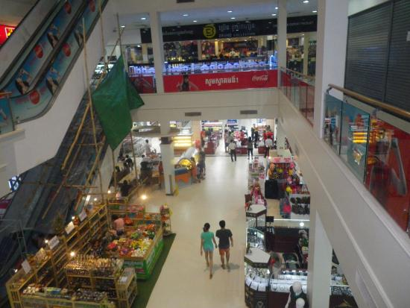 Video

Home / Store Directory / Event& Promotion/ Common Area Information/Information on Parking/Career |  |  |  |  |  | @2016 luckymallco. All Right Reserved.

